SS - Website
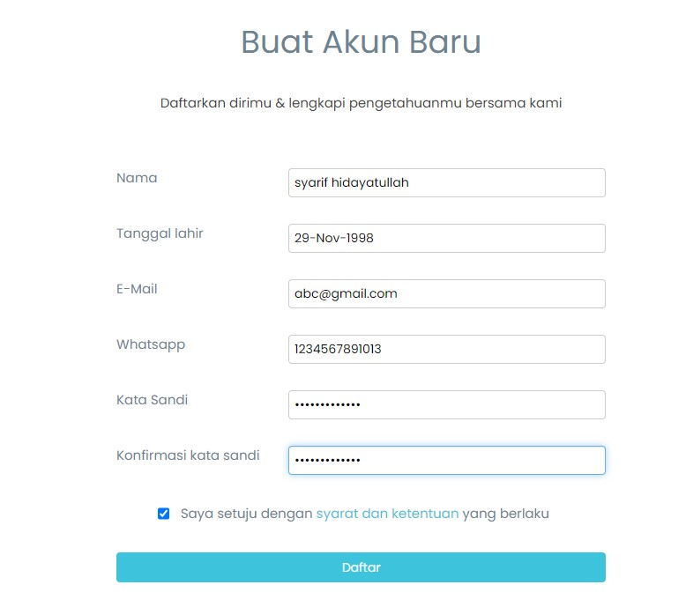
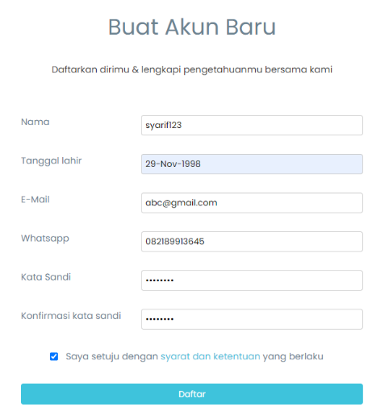
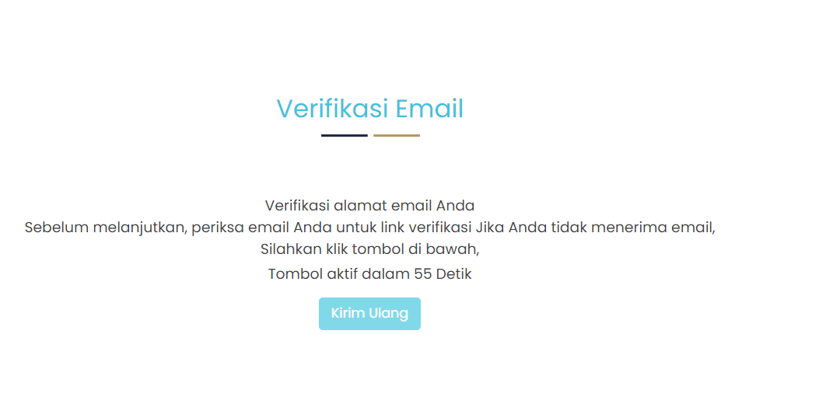
View Login Email With Uppercase Character | View Resgiter Use Number

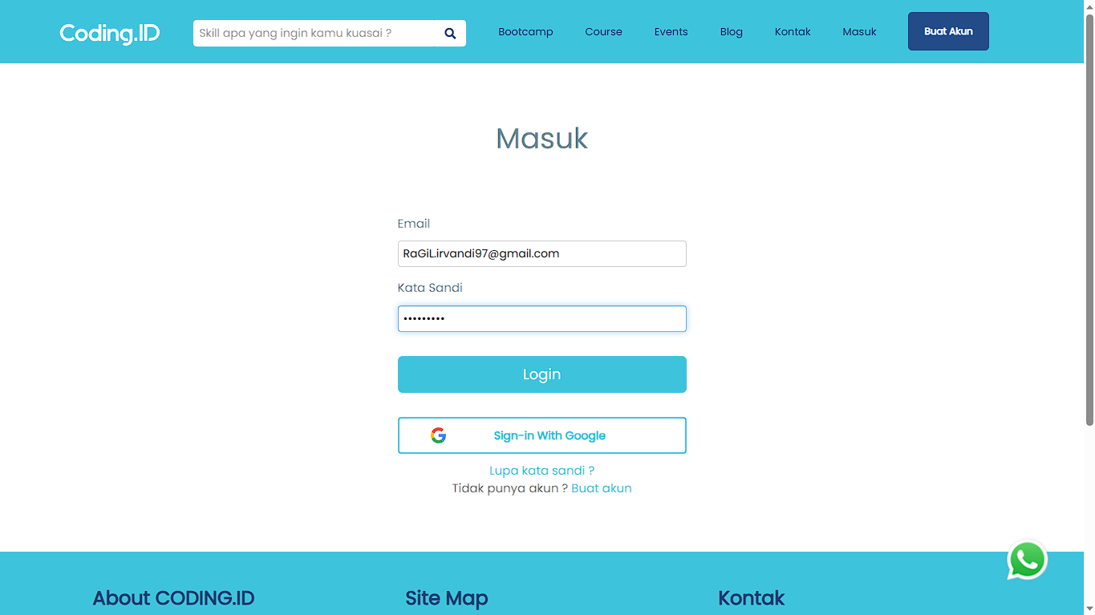

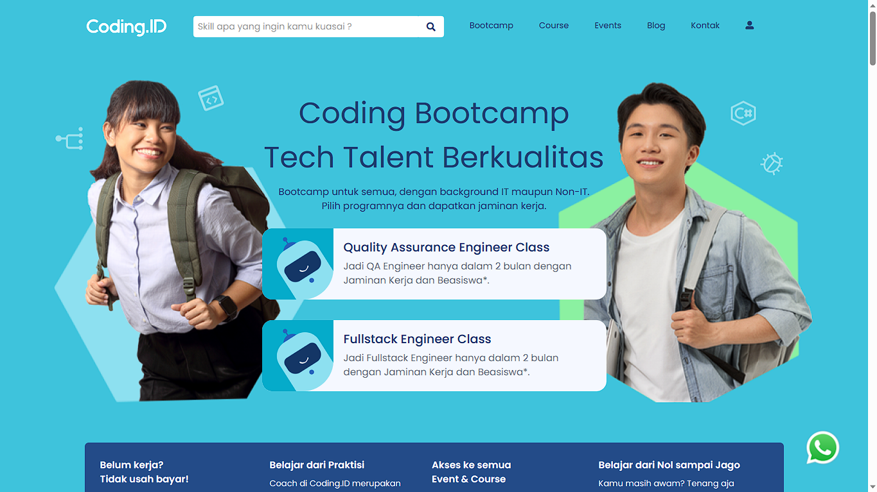

 | View Resgiter Use Special Characters
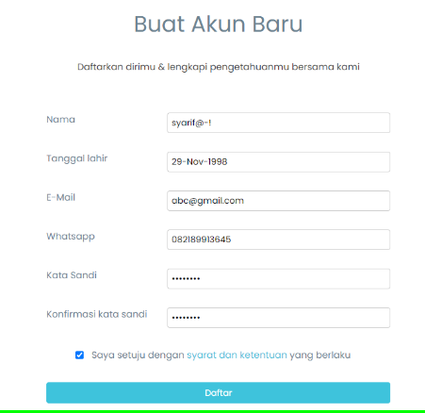

View Login Space in front Email

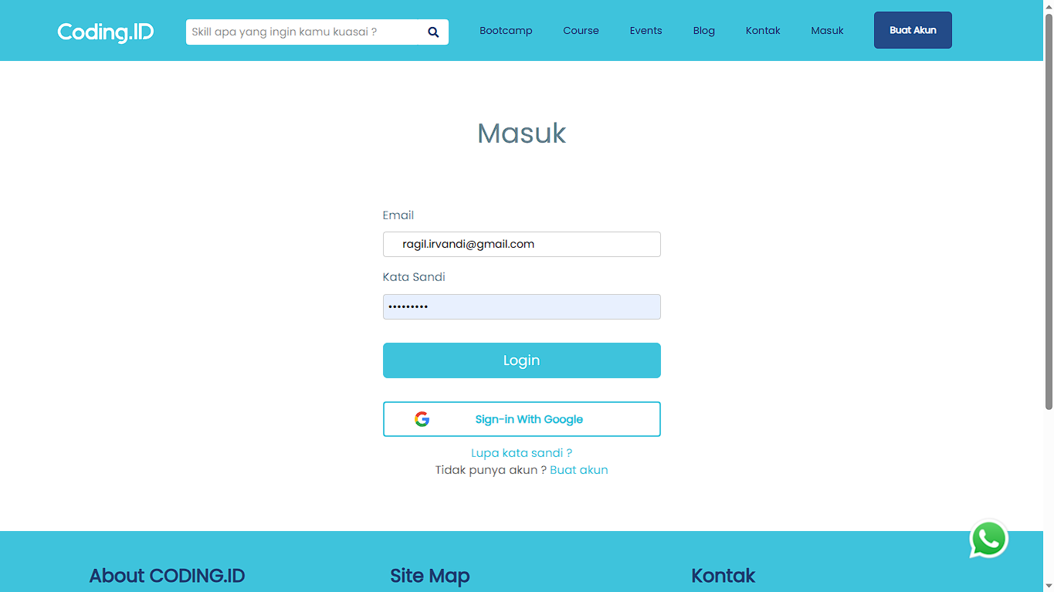

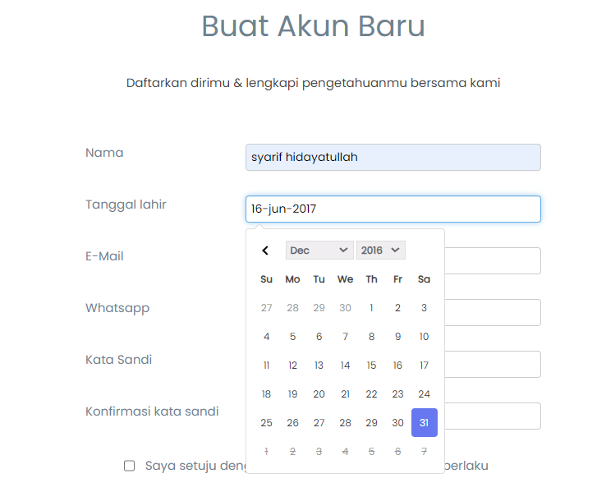
 | Views Birthdate

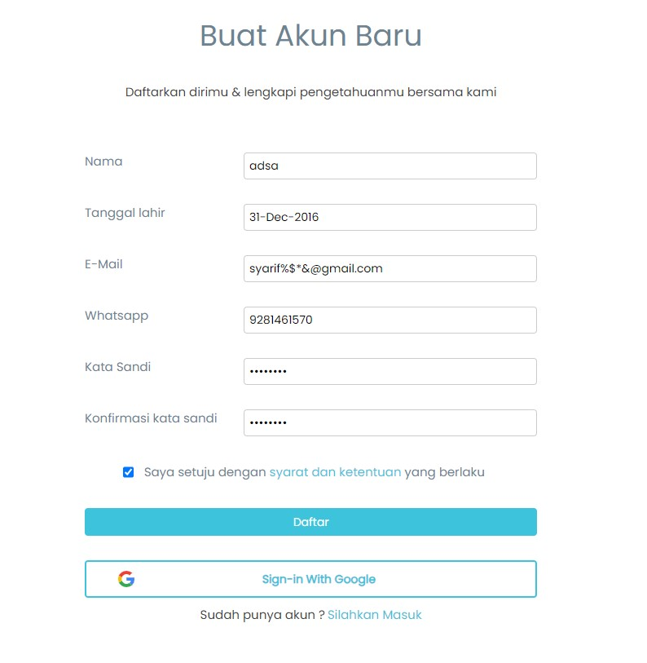
 | Views Email SPecial Characters

View Update Profile Change Name With Special Character

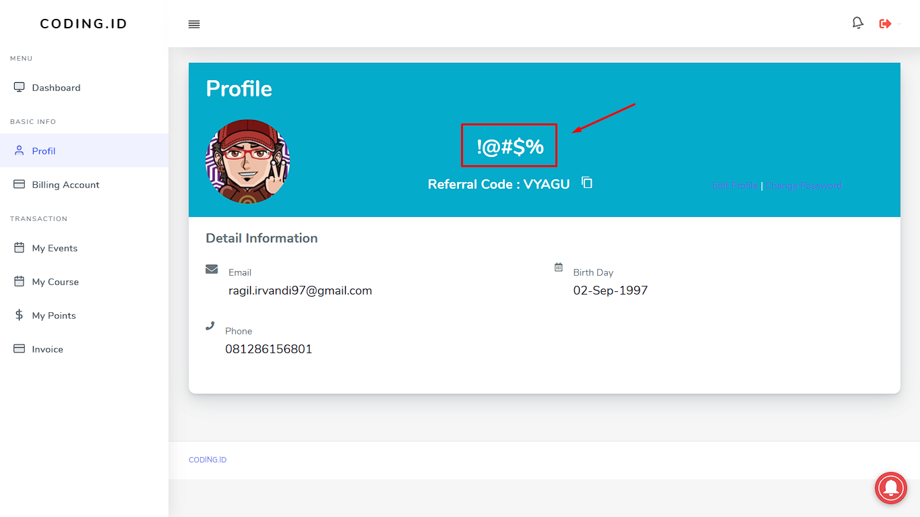

Uodate Profile With Use Special Characters

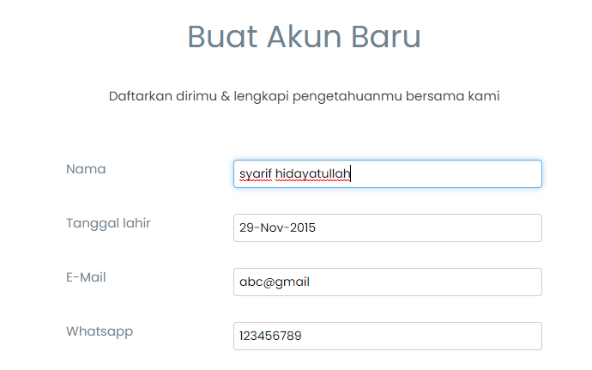
 | Views Invalid email DOmains

Uodate Profile With Use Number

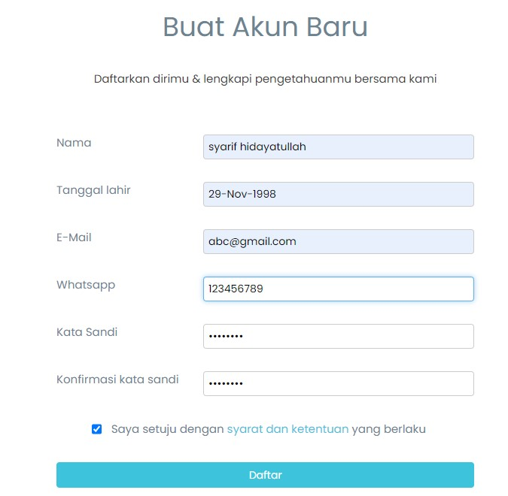
 | View WhatsApp Under Requirment

 | View WhatsApp Over Requirment

SS - Mobile
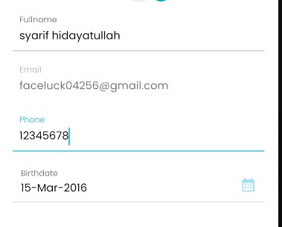
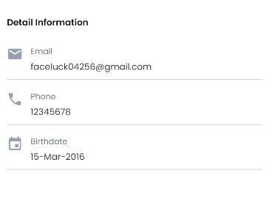
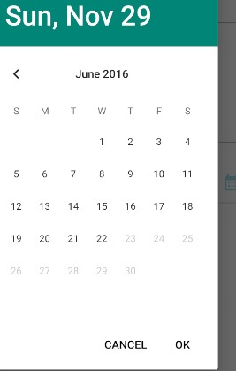
View Register Set Birthday 6 Years Old | View Change Profile Set Birthday 6 Years Old

 | View Change Profile Cancel Update
 | Profile Before Update | Update Profile | after Tap " Save Changes" and Tap "Not Yet"
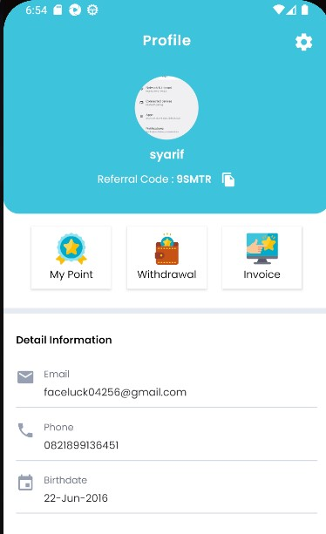
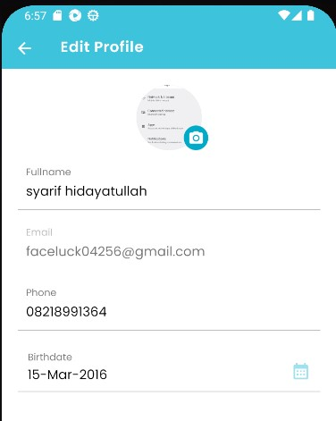
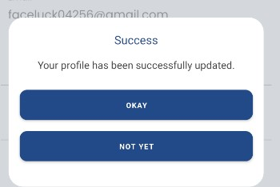

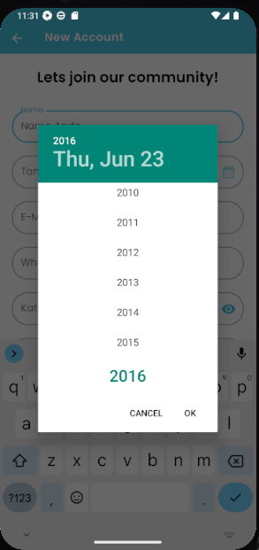
View Register Set Birthday Between 6 - 7 Years Old

 |  |  | Press Back After Tap "Not Yet" Profile Success TO Changes"
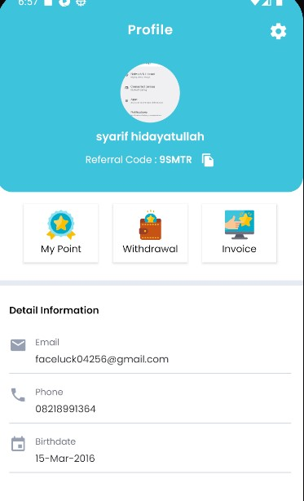

 | View Change Profile With 8 chracter phone number

SS API
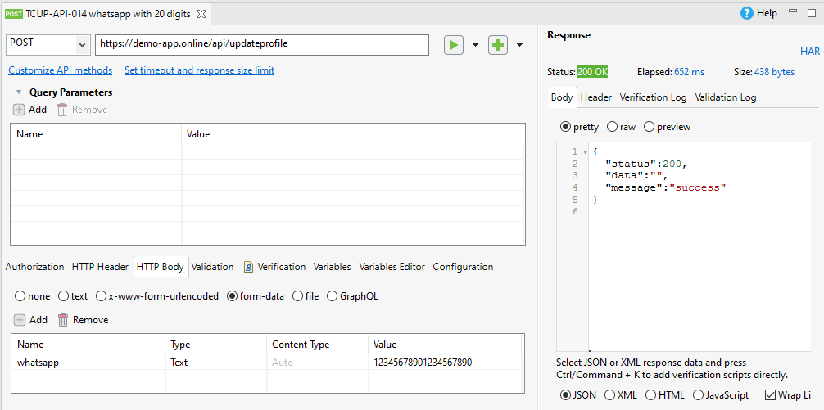
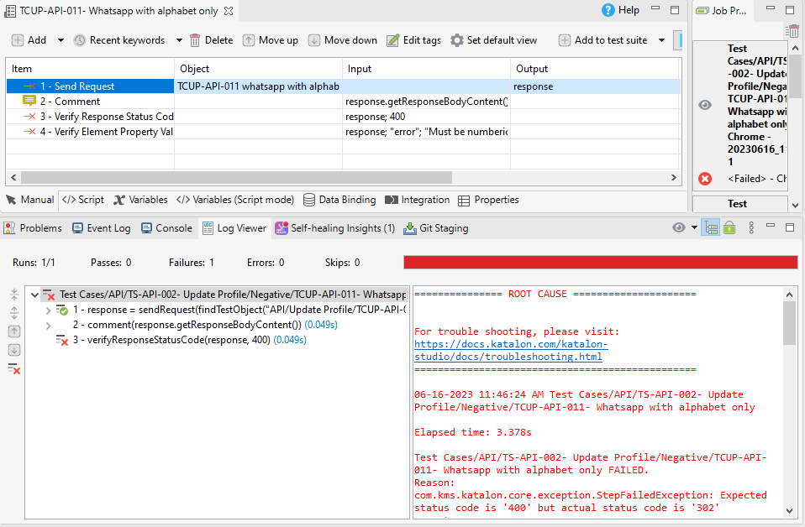
View Update WhatsApp with alphabet only

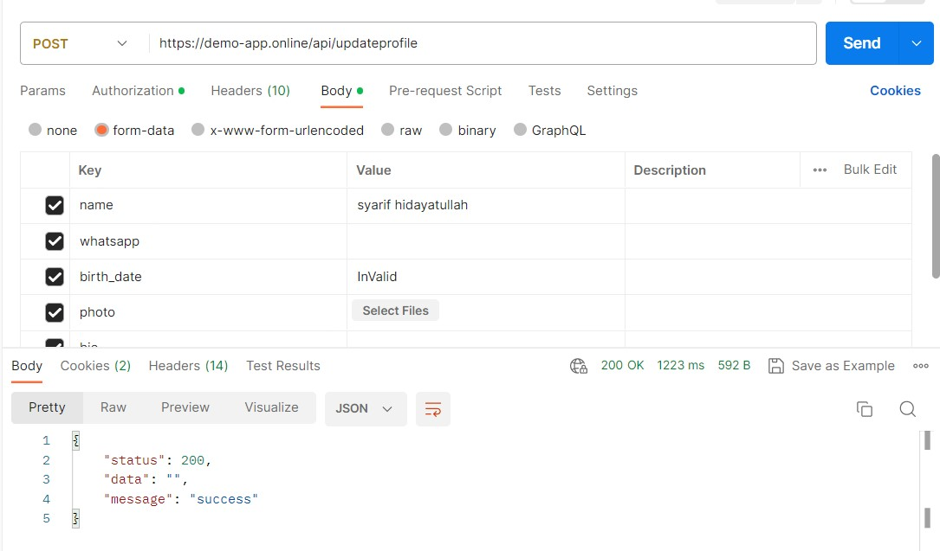
 | UPdate Profile With Birthdate sert string "Invalid"

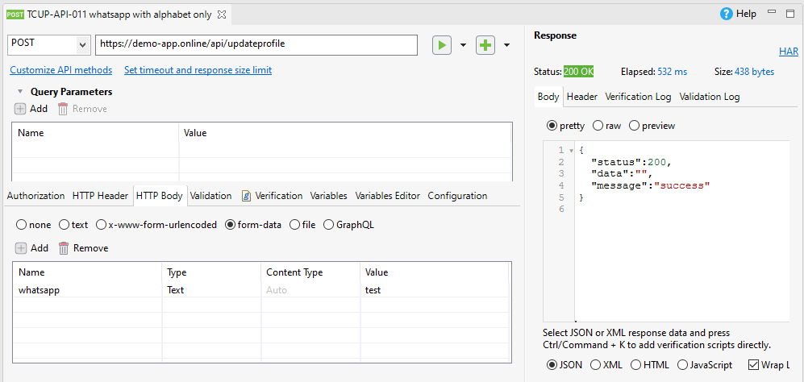

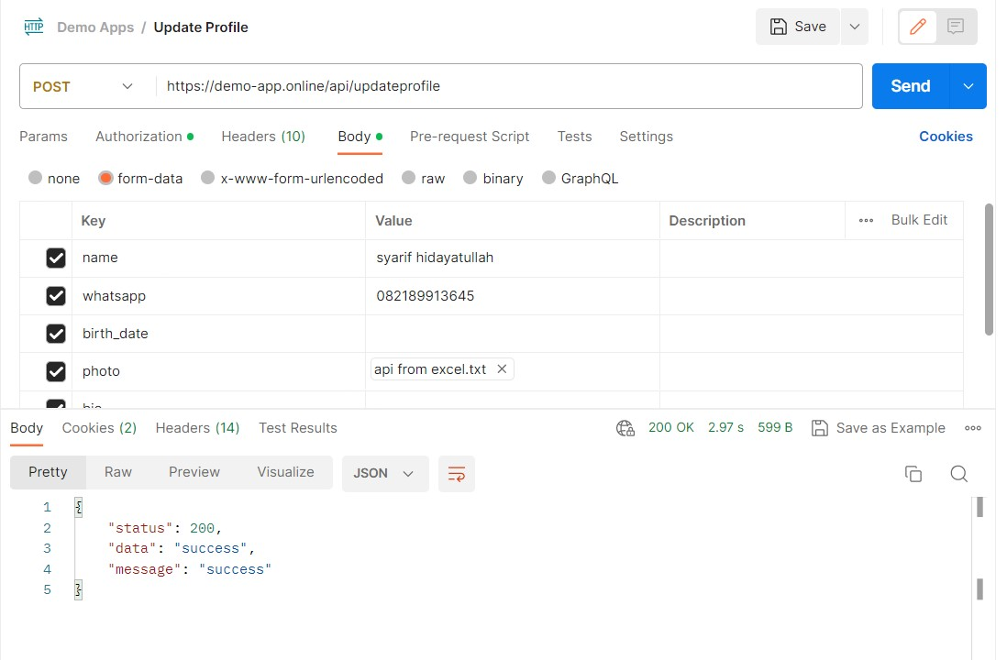
 | UPdate Profile With not Images file

View Update Profile - Name with 40 character

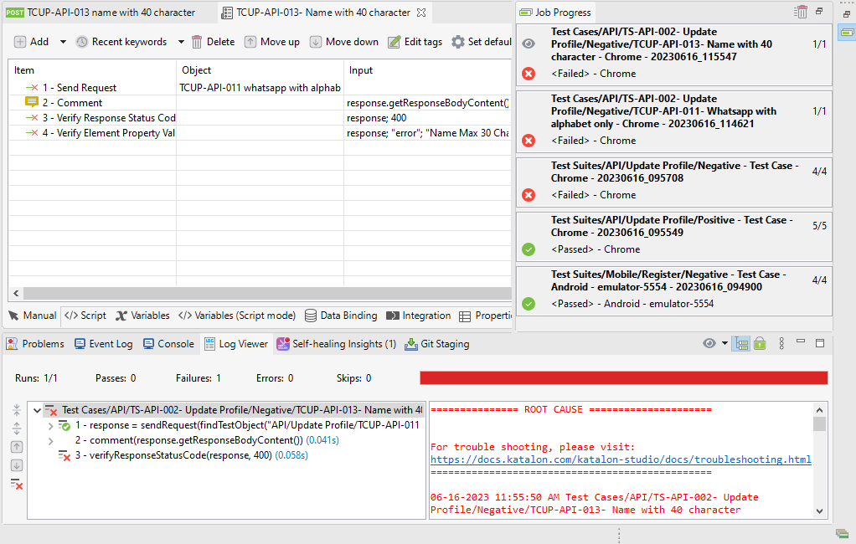

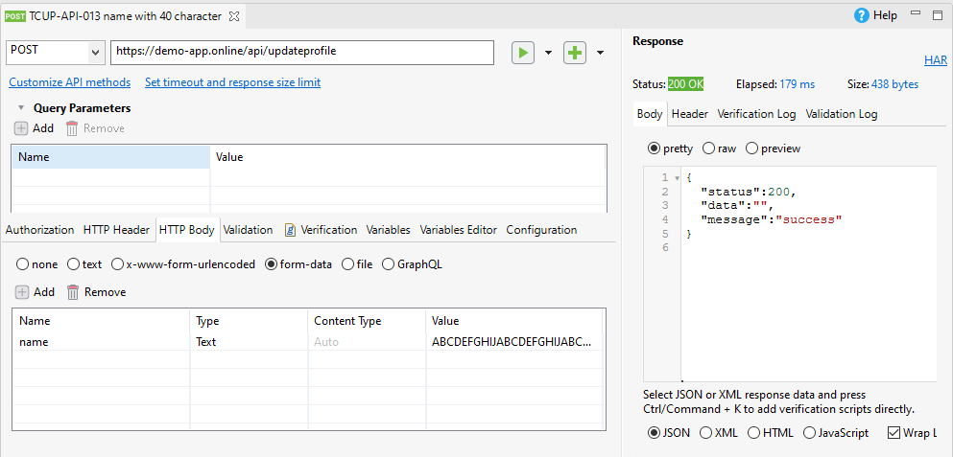

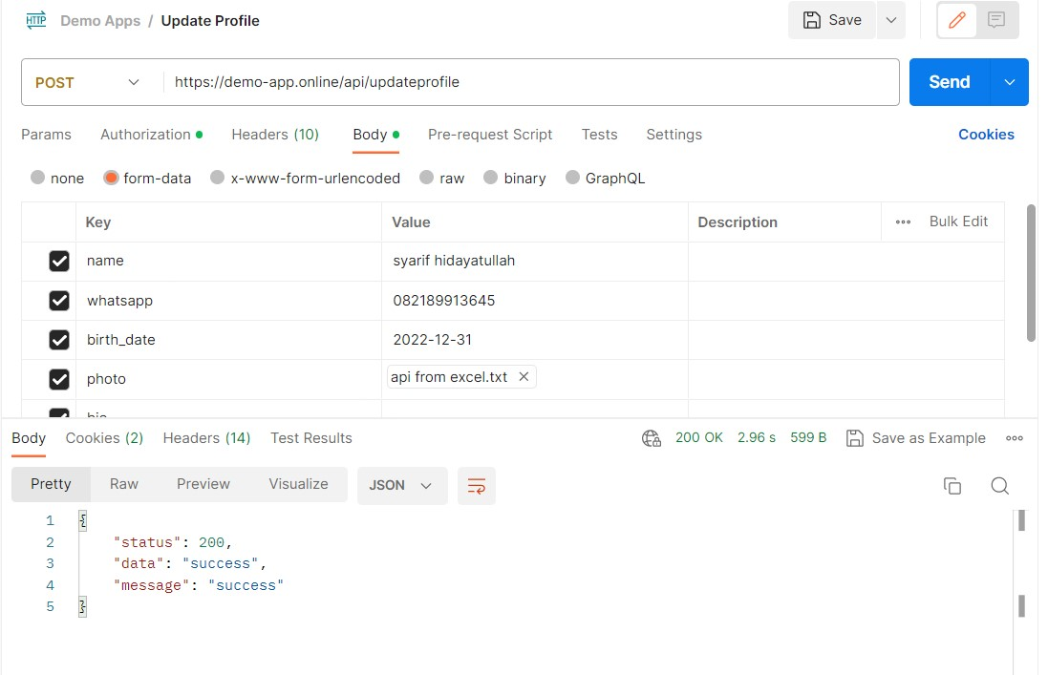
 | View Update Profile - Update set Birthdate under 6 years old

View Update Profile - Input WhatsApp with Special Character

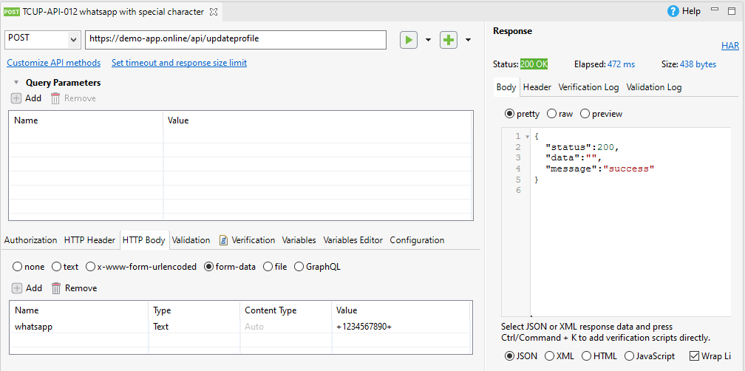

View Update Profile - Whatsapp with 20 digits characters

